Sheet1
 | Document No. |  | Issue No. | Issue Date |  |  | Review and Replace Date |  | Authorised By
 | GFF184MC |  | 1 | 10.07.2020 |  |  | New Issue |  | Magda Shah
 | Document Title |  | 50 Sweet Potato Falafel 20g - High Risk
Document amendments reason for change | New product launch |  |  | Page 1 of 1 |  | Previous Issue Date |  | New Issue | Uncontrolled copy unless signed original

CVSFLB-B50T |  | GAZEBO |  |  | 50 X SWEET POTATO FALAFEL 20g | CHILLED
STEP 1 |  |  |  |  |  | STEP 2
 |  |  |  |  |  | 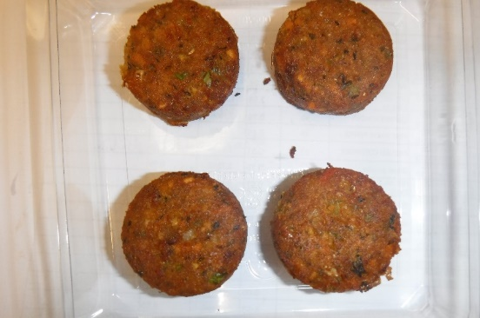
GUS FLASHED PRODUCT

Packaging: H320/60 -CLEAR (596) (PKNUT001-05) |  |  |  |  |  | 50 x SWEET POTATO FALAFEL 20g 1000g (GFF297R)
Film: Reel Anti Fog Membrane- PP410 AF (PKPRO001-10)
STEP 3 |  |  |  |  |  | STEP 4
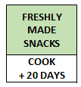 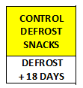
photo to be taken

 |  |  |  |  |  | TOTAL WEIGHT: 1000g

ALLERGY ALERT: SULPHITE

